Bugs practiceselenium
 | bugs from Practice selenium

1 | Project | Practice selenium web
 | issue type | improvement
 | Template | Menu
 | Summary | menu Oolong tea not parallel
 | Priority | major
 | Due Date | 14- July-2018
 | Components | Developer
 | fix version | None
 | Assignee | Bryan mintaraga
 | Reporter | Desi Afyani
 | Description | Actual result : menu for oolong tea not parallel on menu screen Expected result : menu oolong tea is parallel to the top menu
 | Attachment | 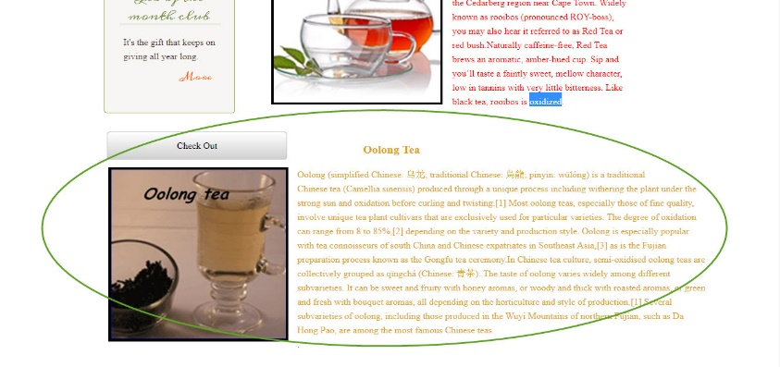

2 | Project | Practice selenium web
 | issue type | improvement
 | Template | Lets talk tea menu
 | Summary | Add Pop up message when Name field leave blank
 | Priority | major
 | Due Date | 14- July-2018
 | Components | Developer
 | fix version | None
 | Assignee | Bryan mintaraga
 | Reporter | Desi Afyani
 | Description | Actual result : recently , there is not pop up warning when email field leave blank Expected result : add it, Pop error message "Name is required" will be display
 | Attachment | 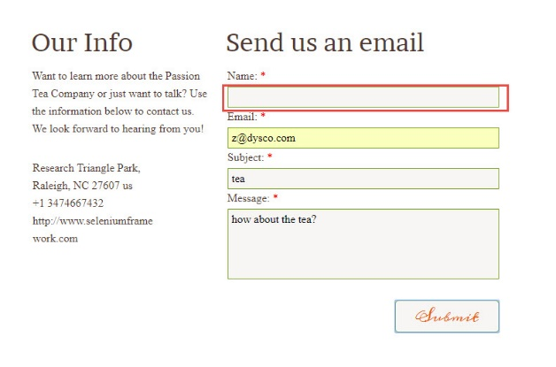

3 | Project | Practice selenium web
 | issue type | improvement
 | Template | Lets talk tea menu
 | Summary | Add Pop up message when Email field leave blank
 | Priority | major
 | Due Date | 14- July-2018
 | Components | Developer
 | fix version | None
 | Assignee | Bryan mintaraga
 | Reporter | Desi Afyani
 | Description | Actual result : recently , there is not pop up warning when email field leave blank Expected result : add it, Pop error message "Email is required" will be display
 | attachment | 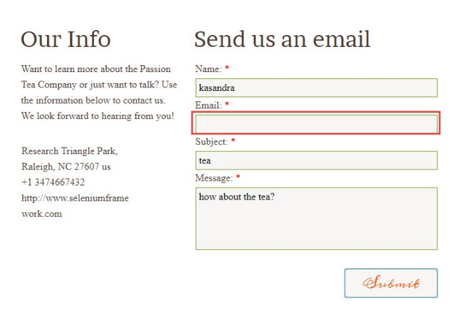

4 | Project | Practice selenium web
 | issue type | improvement
 | Template | Lets talk tea menu
 | Summary | Add Pop up message when Subject field leave blank
 | Priority | major
 | Due Date | 14- July-2018
 | Components | Developer
 | fix version | None
 | Assignee | Bryan mintaraga
 | Reporter | Desi Afyani
 | Description | Actual result : recently , there is not pop up warning when subject field leave blank Expected result : add it, Pop error message "Subject is required" will be display
 | attachment | 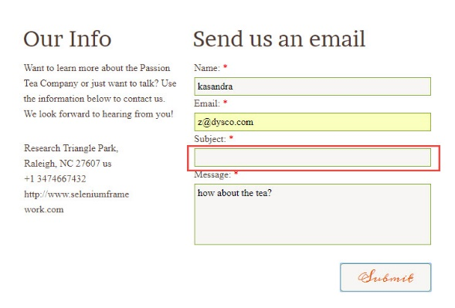

5 | Project | Practice selenium web
 | issue type | improvement
 | Template | Lets talk tea menu
 | Summary | Add Pop up message when message field leave blank
 | Priority | major
 | Due Date | 14- July-2018
 | Components | Developer
 | fix version | None
 | Assignee | Bryan mintaraga
 | Reporter | Desi Afyani
 | Description | Actual result : recently , there is not pop up warning when message field leave blank Expected result : add it, Pop error message "message is required" will be display
 | attachment | 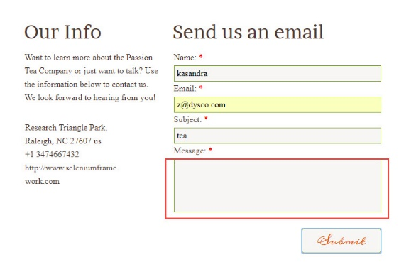

6 | Project | Practice selenium web
 | issue type | improvement
 | Template | Lets talk tea menu
 | Summary | Add OK button on Checkout screen
 | Priority | major
 | Due Date | 14- July-2018
 | Components | Developer
 | fix version | None
 | Assignee | Bryan mintaraga
 | Reporter | Desi Afyani
 | Description | Actual result : recently , there is not OK button on checkout screen Expected result : add "OK" button
 | attachment | 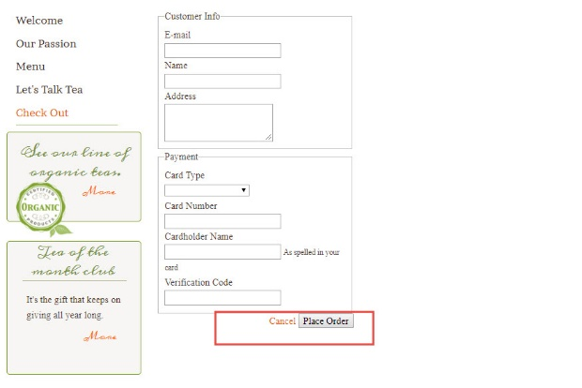

7 | Project | Practice selenium web
 | issue type | improvement
 | Template | Lets talk tea menu
 | Summary | Fix issue button Submit is disfunction
 | Priority | major
 | Due Date | 14- July-2018
 | Components | Developer
 | fix version | None
 | Assignee | Bryan mintaraga
 | Reporter | Desi Afyani
 | Description | Actual result : recently , button submit no disfunction Expected result : button submit must can clickable
 | Attachment | 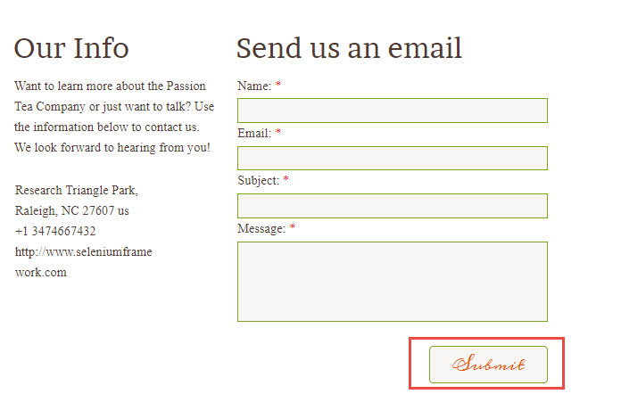

8 | Project | Practice selenium web
 | issue type | improvement
 | Template | article
 | Summary | Fix issue button more is disfunction
 | Priority | major
 | Due Date | 14- July-2018
 | Components | Developer
 | fix version | None
 | Assignee | Bryan mintaraga
 | Reporter | Desi Afyani
 | Description | Actual result : recently , button more no disfunction Expected result : button moret must can clickable and direct to details article.
 | Attachment | 